1. Title Page
Instacart Grocery Basket Analysis

Project Name: Instacart Grocery Basket Analysis
Date: September 9, 2023
Analyst Name: Jordan Henghold

Contents:
Population Flow
Consistency checks
Wrangling steps
Column derivations
Visualizations
Recommendations

2. Population Flow
Title page

Population flow

Exclusion flag
Condition: max_order <5
Obervations to be removed: 1,440,295
Final total count of order_products_all: 30,964,564

Orders_products_combined
Orders_products_merged
Orders_products_all

Total: 32,404,859
Total:32,434,489
Total: 30,964,564

1.) The grey boxes in the first row of the population flow represent the original data sets as they were when you downloaded them. In the Total fields you need to add the count of the rows when you imported the data set into Jupyter.
2.) The second row of boxes (coloured) represents the data sets after you manipulated them, e.g., removed missing values and duplicates. In the Total fields you need to add the count of the rows after conducting these operations. This offers a visual oveview of how the data flows throughout the data consistency checks.
3.) The third row, where also the arrows are coloured, represents the merges you performed between the datasets. In the Total fields you need to add the count of the rows in the merged datasets, so that you end up with the final dataset (in the red box). Keep in mind the final dataset should be without exclusions (based on the exclusion flag).

3. Consistency checks
Consistency checks

Dataset | Missing values | Missing values treatment | Duplicates
orders | 206,209 values missing in the column 'day_since_last_order' | The value of ' 0' was a missing number which led from the 'new customer' component (no occurencees of previous orders). Boolean column was issued to address missing values in "days_following_previous_order" column. This would ensure the data not be affected in a negative way. | No duplicate values
products | 16 values detected as missing in column 'product_name' | Dropped missing values | 5 duplicates detected and dropped
orders_products_prior | No missing values found. |  | Duplicates not detected
customers | 11,259 values detected as missing in column 'first_name' | Null values, in this case, do not negatively affect any proccesses in the analysis. Both 'first_name' and 'surname' columns dropped because of PII Privacy. | Duplicates not detected

4. Wrangling steps
Wrangling steps

Columns dropped | Columns renamed | Columns' type changed | Comment/Reason
"eval_set" |  |  | Not necessary for analysis
 | "order_dow" to 'orders_day_of_week' |  | comprehension easy
 | 'day_since_prior_order'' to ''day_following_previous_order'' |  | comprehension easy
 | "First Name" to "first_name" "Surnam" to " Surname" "Gernder" to "gernder" " STATE" to "state" "Age" to "age" "fam_status" to "marital_status" "date_joined" to "joined_date" |  | Aligning columns to fit data naming mold
 |  | user_id | Editted column to string formatting
 |  | order_id | Editted column to string formatting
 |  | first name | Editted column to string formatting
"first name", "last name" |  |  | Dropped 'first_name' and 'surname' columns (PII Privacy)

5. Column derivations
 |  |  |  | Title page

Column derivations and aggregations

Dataset | New column | Column/s it was derived from | Conditions
df_ords | new_customer | days_following_previous_order | Boolean column utilized to act in accordance in reference to values in the "days_since_last_order" column qualified as missing.
ords_prods_merged | price_range_loc | prices | Low-range product is <=5 Mid-range prod. is is >5 & <= 15 High range prod. is > 15
ords_prods_merged | busiest_day | orders_day_of_week | Busiest day= 0, Least busy= 4 Regularly busy= all other values
ords_prods_merged | busiest_period_of_day | order_hour_of_day | Most orders= [10, 11, 14, 15, 13, 12, 16, 9] Least orders= [23, 6, 0, 1, 5, 2, 4, 3] Average orders= every other value
ords_prods_merged | loyalty_flag | max_order | Loyal customer= value of > 40. Regular customer= value of <= 40 and >10 New customer= value of <=10
ords_prods_merged | spending_flag | user_id, average_price | Low spender = value of <10. High spender: if average price >=10
ords_prods_merged | frequency_flag | median_days | Non-freqent customer is a median of days >20. Regular customer is a median of days <=20. Frequent customer is a median of days <=10
df_all | region | state | "Northeast": ['Maine', 'New Hampshire', 'Vermont', 'Massachusetts', 'Rhode Island', 'Connecticut', 'New York', 'Pennsylvania', 'New Jersey'] "Midwest" : ['Wisconsin', 'Michigan', 'Illinois', 'Indiana', 'Ohio', 'North Dakota', 'South Dakota', 'Nebraska', 'Kansas', 'Minnesota', 'Iowa', 'Missouri'] "South": ['Delaware', 'Maryland', 'District of Columbia', 'Virginia', 'West Virginia', 'North Carolina', 'South Carolina', 'Georgia', 'Florida', 'Kentucky', 'Tennessee', 'Mississippi', 'Alabama', 'Oklahoma', 'Texas', 'Arkansas', 'Louisiana'] "West": ['Idaho', 'Montana', 'Wyoming', 'Nevada', 'Utah', 'Colorado', 'Arizona', 'New Mexico', 'Alaska', 'Washington', 'Oregon', 'California', 'Hawaii']
df_new (High Active Customers) | age_category | age | Young adults= value of <=35. Middle-aged= value of >35 and <60. Senior Citizens:= value of 60
df_new | income_class | income | Lower income= value of >=25900 and <100000. Middle income value of >=10000 and <0200000. Upper incomevalue of >200000
df_merged | customer_profile | fam_status/ n_depandents | Single adult= value of dependants =0. Young parent:= value of dependants >0. Family= value of dependents <=2. Big Family= value of >2

6. Visualizations
Visualizations

 | Key Questions

Commentary:
This section of visualizations answer our project brief's questions regarding the busiest days of the week and the busiest hours of the day. The chart in image one is telling us that Saturday and Sunday are, in fact, our busiest days of the week. The middle of the week represents the lesser active days in reference to spending patterns of customers.
Additionally, we learn in image 2 of this section of visualizations, more about the busiest hours of the day to report back for our project brief. The busiest hours of the day are between 10 (AM) and 16 (PM), maximizing on daytime hours. The "middle-of-the-night" hours when most are asleep represent very small values in comparison to our peak hours.
 | ● The sales team needs to know what the busiest days of the week and hours of the day are (i.e., the days and times with the most orders) in order to schedule ads at times when there are fewer orders.
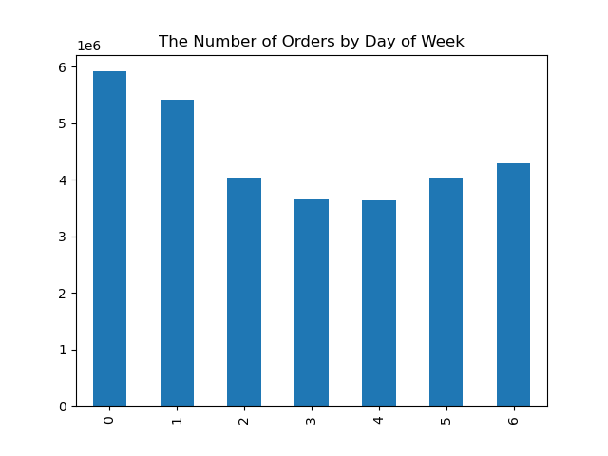 |  |  |  | 
 | ● They also want to know whether there are particular times of the day when people spend the most money, as this might inform the type of products they advertise at these times.
Commentary:
In this section, we learn more about the hours of the day when the most money is spent by customers. In visualization one, we learn from this line chart that customers are spending more money between 1:00-4:00 AM (Peak Hours).
In the second visualization, we learn from this line chart more about the relationship between age and number of dependants. We learn here that there is actually not a clear relationship between the two components.
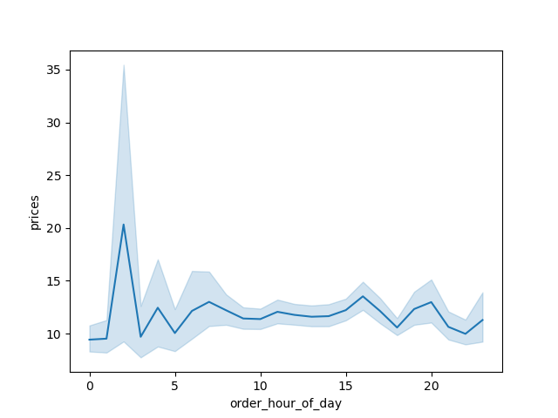 |  |  | 
 | ● Instacart has a lot of products with different price tags. Marketing and sales want to use simpler price range groupings to help direct their efforts.
Commentary:
In this visualization section,products are directed into groups dictated by their pricing assignments. The price groupings that were created are as follows: a low price value is <= $5, mid price is > $5 - < $19 and a high price value is >= $20. The summary indicated a min of 1.0, a mean of 7.8 and a max of 25.0. This resulted in high price making up 1% of the total amount, mid price making up 68% of the total and low price accounting for 31% of the total.
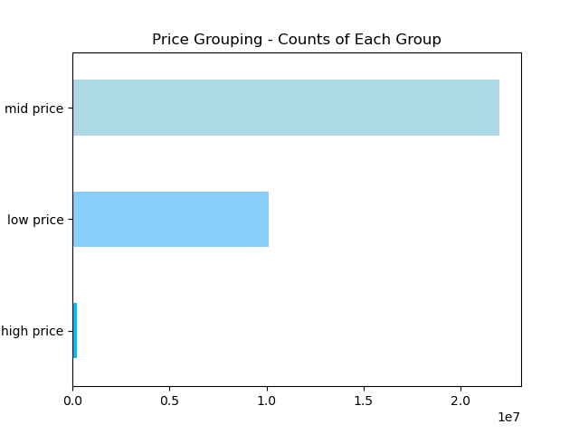
 | ● Are there certain types of products that are more popular than others? The marketing and sales teams want to know which departments have the highest frequency of product orders.
Commentary:
In this section, the visualization above is a bar chart which depicts that produce is the leading department in terms of customer popularity. In a relatively noteable second, dairy/eggs is far ahead of other departments as well. Snacks, beverages and frozen items are noteable and all around half the impact of dairy/ eggs, as dairy/ eggs relates similarly to produce.
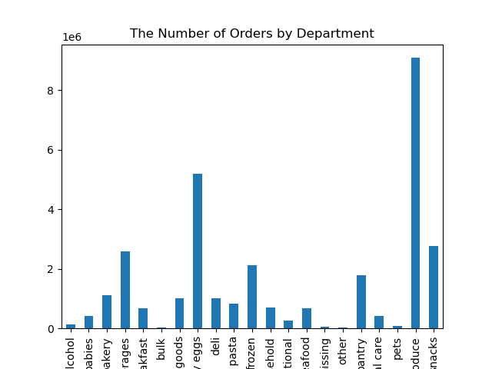
 | ● The marketing and sales teams are particularly interested in the different types of customers in their system and how their ordering behaviors differ. For example:

 | ○ What’s the distribution among users in regards to their brand loyalty (i.e., how often do they return to Instacart)?

Commentary:
The "Regular customer" section possesses the largest bar, letting us know they order between 10 and 40 times. The "Loyal customer" section possesses the middle sized bar, ordering 40+ times. They have fewer customers in the loyal category than in the regular demographic, accouning for this information. "New customers" possess the bar which is the smallest, constituting for 10 orders or less. The simplicity of this vizualization serves the full breakdown in a manner which is easy to digest.
Customer Loyalty Frequency Chart
 | ○ Are there differences in ordering habits based on a customer’s loyalty status?
 | 
○ Are there differences in ordering habits based on a customer’s region?
Commentary:
Based on the above visualizations, it seems as if there is, in fact, differences in ordering habits based on a customer's region. In image one, we find out that the South is in the lead, followed by the West, then Midwest and lastly is the Northeast. These dempgraphics are all in reference to low and high spenders, as their spoending habits relate toward their respective regional categories.
In visualization two, we are able to recognize the same ascending order of regional relation that we saw in reference to image one. That being said, we can see a breakdown of our highest spenders by region alongside family dynamics. Our highest spending group is Family by a significant lead, followed by single adult, then closely after that is Big Family and Young Parent is significantly in last.
In image 3, the South is the leading region among ordering habits of customers, once again, with the rest of the regional order following suit once again. The new information this chart is relating to us is that lower income customers spend the most across regions, followed by our middle income customers, with our upper income clients spending the least across all regions-- in accordance by regional pattern.
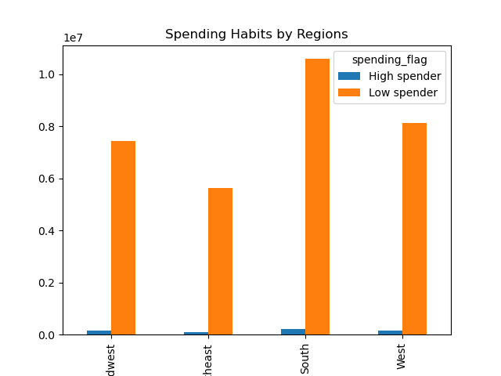 |  | 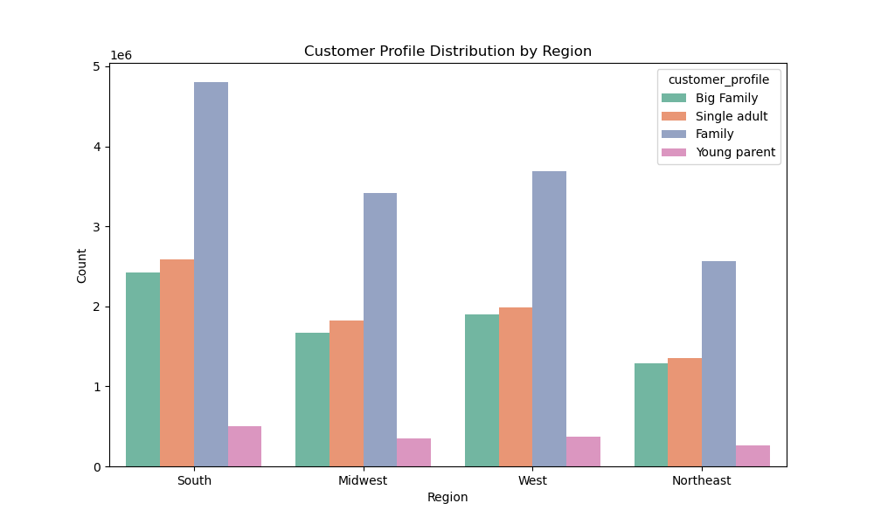 |  |  |  | 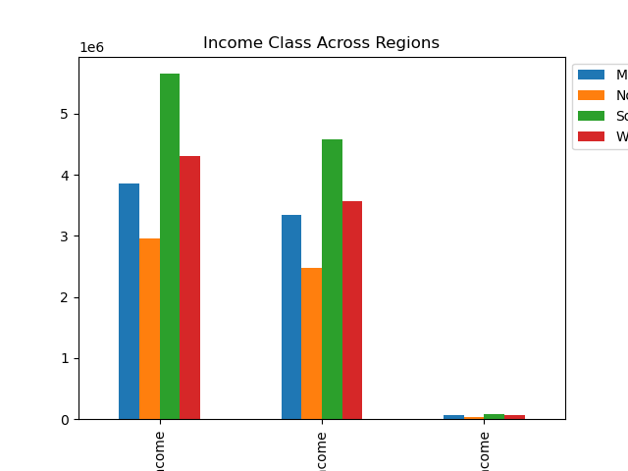
 | ○ Is there a connection between age and family status in terms of ordering

 | habits?

 | ○ What different classifications does the demographic information suggest?

Commentary:
In the first visualization chart in this section we are examining age groups in categories of: Young adults, Middle-aged adults, and Senior citizens. The purpose in looking at this is to see how it relates to ordering habits across departments. From this examination, we are mainly able to dictate information from departments with less distinction on the actual age groupings.
Looking at the second image, this stacked bar chart tells us more than the last graph did. The gropuings for this section were: Big family, Family, Single adult and Young parent-- as each relates to departmental customer spending habits. The "Family" section, once again, possesses greater ordering patterns, as related to differing family types related to departmental categories. This whole section is indicating to us that there is much more to be told about departmental-related spending than age-group related departmental spending.
 | Age? Income? Certain types of goods? Family status?
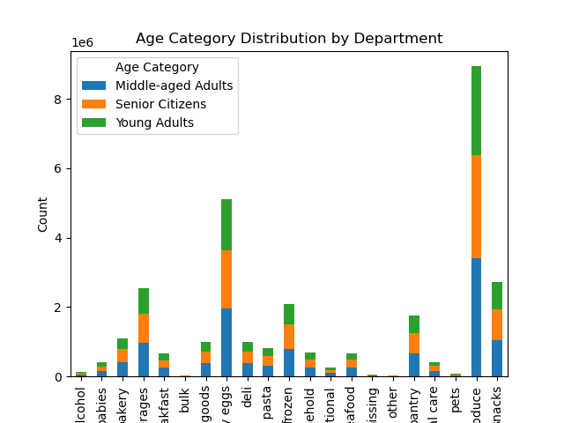 |  |  | 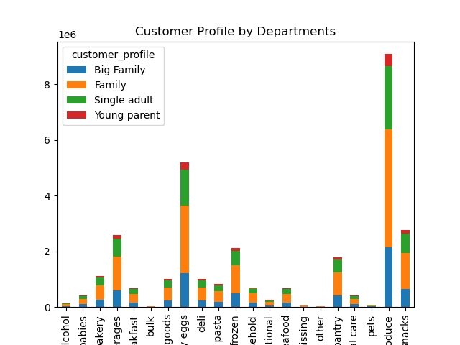
 | 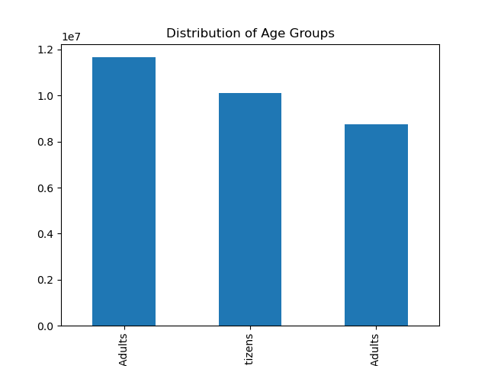 ○ What differences can you find in ordering habits of different customer |  |  | 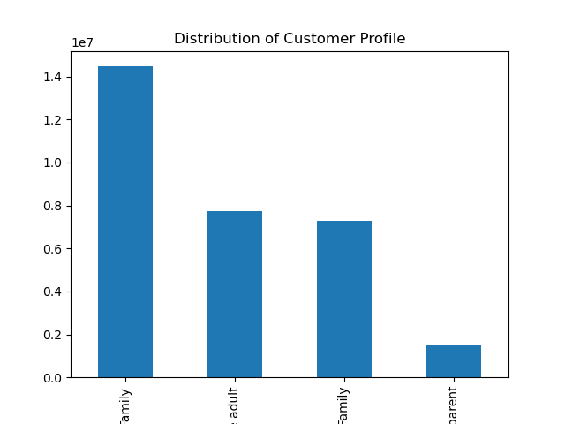

Commentary:
The first visualization here is a scatterplot displaying the relationship between our customer's age (x-axis) and income (y-axis). Between 20 and 80 years old the pace of pattern is steady: most customers have an income around 200,000, past 40 years old there is an increase across customers' income going up to 300,000. As the proceeding age groups get larger in age, the variation is vaster in accordance with the increase in age.
The second image represents our number of orders placed as related to a customer's income. We find out that different income groups have majorly different spending patterns. Lower income class possesses the greatest number of orders, middle income class is in the middle with a lesser total, and upper income customers look as if they do not engage much with our brand in comparison.
The main takeaway from visualization number three, is that in relation to marital status and patron loyalty (or quality of customer), married customers have a significantly greater loyalty rating than the others. In second place are single customers, then divorced/ widowed, and lastly customers living with parents and siblings.
 | profiles? Consider the price of orders, the frequency of orders, the products customers are ordering, and anything else you can think of.
 |  | 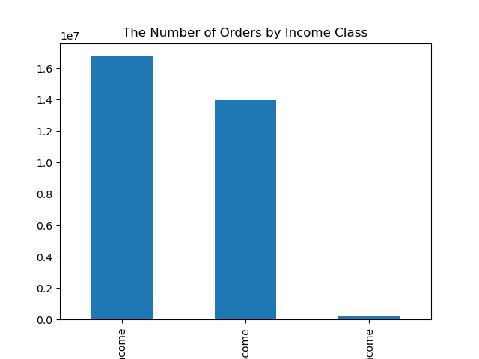 |  |  | 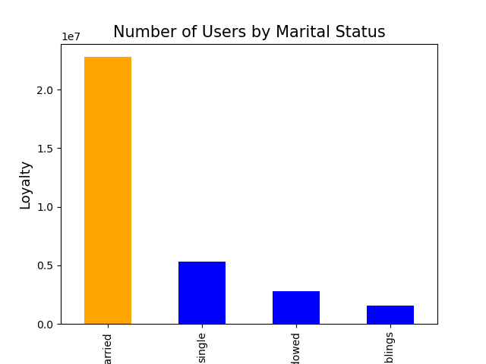

7. Recommendations
Recommendations

 | Key Questions
 | Recommendations Titled in Red as Relates to Insights
 | ● The sales team needs to know what the busiest days of the week and hours of the day are (i.e., the days and times with the most orders) in order to schedule ads at times when there are fewer orders.
Answer
What We Learned From Visualization in sheet 6:
This section of visualizations answer our project brief's questions regarding the busiest days of the week and the busiest hours of the day. The chart in image one is telling us that Saturday and Sunday are, in fact, our busiest days of the week. The middle of the week represents the lesser active days in reference to spending patterns of customers.
Additionally, we learn in image 2 of this section of visualizations, more about the busiest hours of the day to report back for our project brief. The busiest hours of the day are between 10 (AM) and 16 (PM), maximizing on daytime hours. The "middle-of-the-night" hours when most are asleep represent very small values in comparison to our peak hours.
Recommendations:
Schedule for a higher rate of advertisement during the lower grossing days of the week (Monday-Friday).
Expand hours past 9:00-4:00 PM.
Create dynamic incentives for weekdays to enhance sales during lesser days and for lesser hours of sale.
 | ● They also want to know whether there are particular times of the day when people spend the most money, as this might inform the type of products they advertise at these times.
Answer
What We Learned From Visualization in sheet 6:
In this section, we learn more about the hours of the day when the most money is spent by customers. In visualization one, we learn from this line chart that customers are spending more money between 1:00-4:00 AM (Peak Hours).
Answer
What We Learned From Visualization in sheet 6:
In the second visualization, we learn from this line chart more about the relationship between age and number of dependants. We learn here that there is actually not a clear relationship between the two components.
Recommendations:
Monday - Friday enhance advertisements on all scales to drive sales up, beyond 9am-4pm.
incentives for orders placed during weekdays and during slow hours that have been discussed.
Higher priced items should be advertised more intensely between hours of 9am-4pm (ie organic items). For example, when examining the sale of non-organic Bananas ($4.50) vs. Organic Bananas ($10.30), our customers must have cheaper "tastes" during this segment.
Further investigate sales demographics in this relation to specify the hours not spoken on.
 | ● Instacart has a lot of products with different price tags. Marketing and sales want to use simpler price range groupings to help direct their efforts.
Answer
What We Learned From Visualization in sheet 6:
In this visualization section,products are directed into groups dictated by their pricing assignments. The price groupings that were created are as follows: a low price value is <= $5, mid price is > $5 - < $19 and a high price value is >= $20. The summary indicated a min of 1.0, a mean of 7.8 and a max of 25.0. This resulted in high price making up 1% of the total amount, mid price making up 68% of the total and low price accounting for 31% of the total.
Recommendations:
Price Groups:
low price: <= $5
mid price: > $5 - < $19
high price: >= $20
% of Total:
31%
68%
1%
 | ● Are there certain types of products that are more popular than others? The marketing and sales teams want to know which departments have the highest frequency of product orders.
Answer
What We Learned From Visualization in sheet 6:
In this section, the visualization above is a bar chart which depicts that produce is the leading department in terms of customer popularity. In a relatively noteable second, dairy/eggs is far ahead of other departments as well. Snacks, beverages and frozen items are noteable and all around half the impact of dairy/ eggs, as dairy/ eggs relates similarly to produce.
Recommendations:
'Pets' or 'babies' directed advertisements in order to enhance sales in those demographics.
Enhance customer loyalty and brand recognition by appealing more to niche crowds.
More orders should flow in if all advertisement neccessities are completed.
 | ● The marketing and sales teams are particularly interested in the different types of customers in their system and how their ordering behaviors differ. For example:

 | ○ What’s the distribution among users in regards to their brand loyalty (i.e., how often do they return to Instacart)?

 | ○ Are there differences in ordering habits based on a customer’s loyalty status?
Answer
What We Learned From Visualization in sheet 6:
The "Regular customer" section possesses the largest bar, letting us know they order between 10 and 40 times. The "Loyal customer" section possesses the middle sized bar, ordering 40+ times. They have fewer customers in the loyal category than in the regular demographic, accouning for this information. "New customers" possess the bar which is the smallest, constituting for 10 orders or less. The simplicity of this vizualization serves the full breakdown in a manner which is easy to digest.
Customer Loyalty Frequency Chart
Recommendations:
Instacart new customers are the least loyal and least likelly to repeat actions.
Work on establishing 'Regular' to become 'Loyal Customers': 51% of customer total are 'Regular' customers. This means once we get them invested, 'Loyal Customers' order frequently so sales will vastly increase.
Further investigate how to execute customer loyalty program to convert more regulars.
○ Are there differences in ordering habits based on a customer’s region?
Answer
What We Learned From Visualization in sheet 6:
Based on the above visualizations, it seems as if there is, in fact, differences in ordering habits based on a customer's region. In image one, we find out that the South is in the lead, followed by the West, then Midwest and lastly is the Northeast. These dempgraphics are all in reference to low and high spenders, as their spoending habits relate toward their respective regional categories.
In visualization two, we are able to recognize the same ascending order of regional relation that we saw in reference to image one. That being said, we can see a breakdown of our highest spenders by region alongside family dynamics. Our highest spending group is Family by a significant lead, followed by single adult, then closely after that is Big Family and Young Parent is significantly in last.
In image 3, the South is the leading region among ordering habits of customers, once again, with the rest of the regional order following suit once again. The new information this chart is relating to us is that lower income customers spend the most across regions, followed by our middle income customers, with our upper income clients spending the least across all regions-- in accordance by regional pattern.
Recommendations:
Coorelate sales in a similar fashion to the advertisement installs proposed for our customer loyalty program.
Incentivise customers based on regional location and proceeding demographics.
Further investigate how to execute regional program to convert lesser participating regions to advance in accordance to popular times and days ofthe week.
 | ○ Is there a connection between age and family status in terms of ordering

 | habits?

 | ○ What different classifications does the demographic information suggest?

 | Age? Income? Certain types of goods? Family status?
Answer
What We Learned From Visualization in sheet 6:
In the first visualization chart in this section we are examining age groups in categories of: Young adults, Middle-aged adults, and Senior citizens. The purpose in looking at this is to see how it relates to ordering habits across departments. From this examination, we are mainly able to dictate information from departments with less distinction on the actual age groupings.
Looking at the second image, this stacked bar chart tells us more than the last graph did. The gropuings for this section were: Big family, Family, Single adult and Young parent-- as each relates to departmental customer spending habits. The "Family" section, once again, possesses greater ordering patterns, as related to differing family types related to departmental categories. This whole section is indicating to us that there is much more to be told about departmental-related spending than age-group related departmental spending.
Recommendations:
Heavily focus on Family demographic because it is one of the most major sectors of relationships between purchasing habits discovered in this analysis.
Diversify the advertisements in order to enhance engagement across all family-dynamic related categories and even enhance based on age group.
Conduct more in-depth analysis to break the age groups down by maybe 10 year divisions to see if any further information can be uncovered.
 | ○ What differences can you find in ordering habits of different customer

 | profiles? Consider the price of orders, the frequency of orders, the products customers are ordering, and anything else you can think of.
Answer
What We Learned From Visualization in sheet 6:
The first visualization here is a scatterplot displaying the relationship between our customer's age (x-axis) and income (y-axis). Between 20 and 80 years old the pace of pattern is steady: most customers have an income around 200,000, past 40 years old there is an increase across customers' income going up to 300,000. As the proceeding age groups get larger in age, the variation is vaster in accordance with the increase in age.
The second image represents our number of orders placed as related to a customer's income. We find out that different income groups have majorly different spending patterns. Lower income class possesses the greatest number of orders, middle income class is in the middle with a lesser total, and upper income customers look as if they do not engage much with our brand in comparison.
The main takeaway from visualization number three, is that in relation to marital status and patron loyalty (or quality of customer), married customers have a significantly greater loyalty rating than the others. In second place are single customers, then divorced/ widowed, and lastly customers living with parents and siblings.
Recommendations:
Target marketing and advertisement strategies to capitalize on the exceptional ordering habits of the lower income class (ie marketing should be geared towards great values and low prices).
Mixed-component targetting based on age and income together, rather than focusing on age alone to establish a more concise development of advertisement to come.
Campaigns based on marital status to capitalize on how many more married people are loyal customers by targetting ads towards the married demographic.
Try to create a program which appeals to unmarried demographics in the data set so that we can enhance sales wiht lesser impressive demographic contributions.

